Intro
NFL Coach Evaluator Workbook

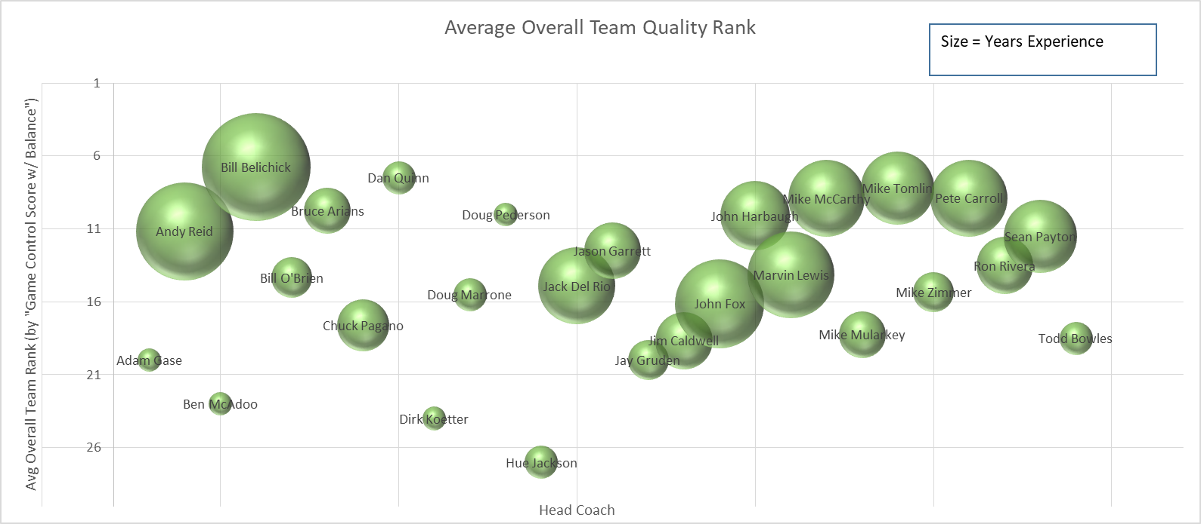

Ever wonder how good your favorite NFL team's head coach and coordinators are, and wish you had some data to form an opinion?
Wonder no further.

Cross-referencing each coach's history (as head coach or coordinator), I compiled their seasonal averages, including their coached team's average rank in many different categories, sortable.
These ranks range from 1 to 32, the number of teams in the NFL. You will find these ranks color-coded: green is good, yellow is decent, and orange or red are bad.
Ranks are more informative than raw averages because they automatically adjust for seasonal differences. For example, the league has become much pass-happier and less turnover-prone over time.
See the "Yearly Heatmap" sheet for a visual aid explaining how NFL stats have evolved by year. Note that it only includes 16 game seasons.

In the "Offense_Means" sheet, you will find a coach's team's average offensive ranks for seasons in which he was a head coach or offensive coordinator. All current HCs and OCs are featured.
In the "Defense_Means" sheet, you will find a coach's team's average defensive ranks for seasons in which he was a head coach or defensive coordinator. All current HCs and DCs are featured.
In the "HC_Means" sheet, you will find a coach's average statistics for seasons in which he was a head coach. All current HCs are featured.
If a current coach has 0 years of relevant experience, he is not featured.
There are so many statistics in each sheet that I decided to hide most of the columns. Many of these are not ranks, but actual raw averages.
Go ahead and unhide them for a deeper dive through the data, if you are so inclined.

Some custom statistics I defined for this workbook include:
Oscore_Rank: The average of several relevant offensive statistic ranks, in an effort to create a single metric of offensive success.
 | Relevant variables: Total points, total yards, total 1st downs, turnovers, yards per carry, and net yards per pass.
Dscore_Rank: The average of several relevant defensive statistic ranks, in an effort to create a single metric of defensive success.
 | Relevant variables: Same as in Oscore, but from the defensive side.
Stscore_Rank: The average of several relevant special teams statistic ranks, in an effor to create a single metric of special teams success.
 | Relevant variables: Yds per punt return, yds per kick return, yds/punt, field goal %, Yds/PR against, Yds/KR against, and the volume of FGM, KR yds, and PR yds.
ThreePhaseScore_Rank: A weighted average (weighing special teams slightly less than offense or defense) of the three phases of the game. An effort to create a single metric of overall team success.
GameControlScore_Rank: An average of several drive statistic ranks (since 1998), in another effort to create a single metric of overall team success.
 | Relevant variables: Time of possession, field position differential, point differential, yardage differential, and turnover differential.
GameControlScorePlusBalance_Rank: An average of ThreePhaseScore_Rank and GameControlScore_Rank.
DefensivePtsScored_Rank: An average rank of a coach's team for defensive points scored (via pick six, fumble recovery TD, or safety).

I plotted Oscore_Rank, Dscore_Rank, Stscore_Rank, and GampeControlPlusBalance_Rank in RankCharts. Check them out. For best viewing results, sort the coaches alphabetically in their respective tables.

It goes without saying that a coach's ability doesn't translate directly into accurate statistics.
The talent level of his players is important, as is the difficulty of his schedules. I make no attempt to correct for these variables.

Enjoy.

All data is derived from statistics available at ProFootballReference.com. I processed the data using a Python library called Pandas.

RankCharts
Average Offensive Quality Rank By Year (as HC or OC)
 | 10.625
Adam Gase | 10.625
Andy Reid | 11.805555556
Anthony Lynn | 10
Ben McAdoo | 18.833333333
Bill Belichick | 10.545454545
Bill O'Brien | 17.125
Brad Childress | 15.954545455
Bruce Arians | 17.142857143
Chuck Pagano | 16
Clyde Christensen | 19.125
Dan Quinn | 7
Darrell Bevell | 13.909090909
Dirk Koetter | 15.4
Doug Marrone | 14.1
Doug Pederson | 13.75
Dowell Loggains | 19.5
Edgar Bennett | 11
Frank Reich | 18.333333333
Harold Goodwin | 13.75
Hue Jackson | 16.5
Jack Del Rio | 15.954545455
Jason Garrett | 9.75
Jay Gruden | 14.833333333
Jim Bob Cooter | 17.5
Jim Caldwell | 19.285714286
John Fox | 17.466666667
John Harbaugh | 16.722222222
Josh McDaniels | 9
Ken Whisenhunt | 18.884615385
Ken Zampese | 13
Kyle Shanahan | 13.555555556
Marty Mornhinweg | 13.033333333
Marvin Lewis | 15.464285714
Matt Cavanaugh | 22.6875
Matt Nagy | 14
Mike McCarthy | 10.705882353
Mike McCoy | 15
Mike Mularkey | 15.333333333
Mike Shula | 19.1875
Mike Sullivan | 24.333333333
Mike Tomlin | 12.5
Mike Zimmer | 21.666666667
Nathaniel Hackett | 25.25
Pat Shurmur | 19.214285714
Pete Carmichael Jr. | 4.625
Pete Carroll | 14.954545455
Rick Dennison | 13.777777778
Rob Chudzinski | 18.75
Ron Rivera | 11.583333333
Scott Linehan | 14.035714286
...
Average Defensive Quality Rank (as DC or HC)
 | Exp
Adam Gase | 24
Andy Reid | 11.694444444
Ben McAdoo | 2.5
Bill Belichick | 11.983870968
Bill O'Brien | 6.6666666667
Bob Sutton | 13.714285714
Bruce Arians | 7.25
Chuck Pagano | 19.416666667
Dan Quinn | 11.25
Dean Pees | 8.5555555556
Dennis Allen | 26.25
Dick LeBeau | 14.482142857
Dirk Koetter | 17.5
Dom Capers | 14.913043478
Doug Marrone | 5.5
Doug Pederson | 9
George Edwards | 19.833333333
Greg Manusky | 17.833333333
Gregg Williams | 15.111111111
Gus Bradley | 19.125
Hue Jackson | 30.5
Jack Del Rio | 12.666666667
James Bettcher | 3
Jason Garrett | 20.5
Jay Gruden | 25.333333333
Jim Caldwell | 20.083333333
Jim Schwartz | 17.466666667
John Fox | 12.045454545
John Harbaugh | 6.2222222222
Kacy Rodgers | 11
Keith Butler | 10
Ken Norton Jr. | 20
Kris Richard | 5.5
Leslie Frazier | 17.181818182
Marvin Lewis | 14.285714286
Matt Patricia | 11.7
Mike McCarthy | 14.727272727
Mike Mularkey | 19.75
Mike Smith | 14.884615385
Mike Tomlin | 8
Mike Zimmer | 13.117647059
Paul Guenther | 14
Pete Carroll | 9.3823529412
Rod Marinelli | 17
Romeo Crennel | 15.966666667
Ron Rivera | 12
Sean McDermott | 13.333333333
Sean Payton | 22
Steve Spagnuolo | 19.375
Ted Monachino | 30
...

Special Teams Quality Rank By Year (Head Coaches)
 | Exp
Adam Gase | 7
Andy Reid | 13.777777778
Ben McAdoo | 13
Bill Belichick | 9.6363636364
Bill O'Brien | 27
Bruce Arians | 29.25
Chuck Pagano | 11
Dan Quinn | 18.5
Dirk Koetter | 19
Doug Marrone | 18
Doug Pederson | 3
Hue Jackson | 26.5
Jack Del Rio | 18.863636364
Jason Garrett | 11.5
Jay Gruden | 13
Jim Caldwell | 19.333333333
John Fox | 17.333333333
John Harbaugh | 9.2777777778
Marvin Lewis | 13.857142857
Mike McCarthy | 22.272727273
Mike Mularkey | 14.75
Mike Tomlin | 16.2
Mike Zimmer | 7.6666666667
Pete Carroll | 10.681818182
Ron Rivera | 24
Sean Payton | 19.95
Todd Bowles | 30
Average Overall Team Quality Rank
 | Exp
Adam Gase | 20
Andy Reid | 11.166666667
Ben McAdoo | 23
Bill Belichick | 6.7647058824
Bill O'Brien | 14.333333333
Bruce Arians | 9.75
Chuck Pagano | 17.6
Dan Quinn | 7.5
Dirk Koetter | 24
Doug Marrone | 15.5
Doug Pederson | 10
Hue Jackson | 27
Jack Del Rio | 14.909090909
Jason Garrett | 12.5
Jay Gruden | 20
Jim Caldwell | 18.666666667
John Fox | 16.133333333
John Harbaugh | 10.111111111
Marvin Lewis | 14.142857143
Mike McCarthy | 8.9090909091
Mike Mularkey | 18.25
Mike Tomlin | 8.2
Mike Zimmer | 15.333333333
Pete Carroll | 8.8888888889
Ron Rivera | 13.5
Sean Payton | 11.5
Todd Bowles | 18.5

